Compliance Report
 | Weekly Asset Care Compliance Report
 | Don’t change Formula's
 | Week Ending | 26-Feb-26
 | Shaft / Area | NCHW II UG

 | Fleet / Equipment | Planned | Actual | Schedule Compliance | Target | Unit late for service (y/n) | Unit book back on time after service(y/n) |  | Week-end Service | Reasons for Non-Compliance
 | DT | 4 | 4 | 100% | 100%
 | FL | 1 | 1 | 100% | 100%
 | HD | 3 | 4 | 133% | 100%
 | RT | 3 | 3 | 100% | 100%
 | SR - Service Compliance | 0 |  |  | 100%
 | Support Equipment | 11 | 7 | 64% | 100% |  |  |  |  | We experienced a labour shortage due to sick leave and breakdowns on 8seaters vehicles.so UV87 and 133 are scheduled for service on Friday, and LD0633, 647, and are planned for the weekend.
 | SR - Weekly Inspection | 8 | 8 | 100% | 100%
Weekly Compliance
 | Planned | Actual | Schedule Compliance | Target
DT | 4 | 4 | 100% | 100%
FL | 1 | 1 | 100% | 100%
HD | 3 | 4 | 133% | 100%
RT | 3 | 3 | 100% | 100%
SR - Service Compliance | 0 |  | 0% | 100%
Support Equipment | 11 | 7 | 64% | 100%
SR - Weekly Inspection | 8 | 8 | 100% | 100%

 | Service Pre-Inspection

 | Fleet / Equipment | Planned | Actual | Schedule Compliance | Target | Work order number | Remarks
 | DT | 0 | 0 |  | 95%
 | FL | 1 | 1 | 100% | 95%
 | HD | 2 | 2 | 100% | 95%
 | RT | 4 | 4 | 100% | 95%
 | SR - Service Compliance | 3 | 3 | 100% | 95%
 | Support Equipment | 6 | 6 | 100% | 95%

 | Schedule Compliance | Target
DT | 0 | 0.95
FL | 0 | 0.95
HD | 0 | 0.95
RT | 0 | 0.95
SR - Service Compliance | 0 | 0.95
Support Equipment | 1 | 0.95

 | Condition monitoring / Oil samples
 | Fleet / Equipment | Engine - Plan | Engine- Received | Transmission - Plan | Transmission - Receive | Axle - plan | Axle - Receive | % Compliance | Reasons for Non-Compliance |  |  | Paperwork Correct | Paperwork Incorrect | Urgent Oil Samples | Workorder Generated
 | DT | 4 | 4 |  |  |  |  | 100% |  |  |  |  |  | 0
 | FL | 1 | 1 |  |  |  |  | 100% |  |  |  |  |  | 0
 | HD | 0 |  |  |  |  |  |  |  |  |  |  |  | 0
 | RT | 0 |  |  |  |  |  |  |  |  |  |  |  | 0
 | SR | 0 | 0 |  |  |  |  |  |  |  |  |  |  | 0
 | Support Equipment | 11 | 7 |  |  |  |  | 64% | We experienced a labour shortage due to sick leave and breakdowns on 8seaters vehicles.so UV87 and 133 are scheduled for service on Friday, and LD0633, 647, and are planned for the weekend. |  |  |  |  | 0

Condition monitoring / Oil samples
 | % Compliance
DT | 0
FL | 0
HD | 0
RT | 0
SR | 0
Support Equipment | 1
Oil Sample Paper Work
 | Paperwork Correct | Paperwork Incorrect

 | Remember Readings

 | Oil Filtration
FA0007 - HYDR DRILL W/S | Equipment nr | Oil Type | Start Reading | End Reading | Comments |  | ISO Standard
 | HD0068 | AZOLLA | 22.21.16 | 20.19.13
 | RT0032 | AZOLLA | 21.20.18 | 19.17.16
 | RT0062 | AZOLLA | 20.18.15 | 18.17.12
 | HD0053 | AZOLLA | 22.19.15 | 16.13.8
 | RT0050 | AZOLLA | 21.19.12 | 19,16,9

FA0001 - TMM W/S
 | DT0121 | Multigrade | 11/6/0 | 18/15/13
 | DT0122 | Multigrade | 9/3/0 | 18/14/11
 | DT0128 | Multigrade | 12/8/0 | 17/13/12
 | FL0066 | Multigrade | 11/7/0 | 18/14/10

 | Inspection done by: | Planned Over-Inspections | Total Number of Inspections Completed | Corrective Work | Wo Number | % Completed | Remarks for not comply
 | UTILITY FOREMAN | 11 | 7 |  |  | 64% | We experienced a labour shortage due to sick leave and breakdowns on 8seaters vehicles.so UV87 and 133 are scheduled for service on Friday, and LD0633, 647, and are planned for the weekend.
 | MECHANIC FOREMAN | 6 | 6 |  |  | 100%
 | DRILLS FOREMAN | 5 | 5 |  |  | 100%
 | Engineer | 1 | 1 |  |  | 100%
 | Electrical Foreman | 4 | 4 |  |  | 100%
 | Plant Foreman
 | GES Plant | 3 | 3 |  |  | 100%
 | GES TMM | 1 | 1 |  |  | 100%

Over Inspections
 | Planned Over-Inspections | Total Number of Inspections Completed | Corrective Work
UTILITY FOREMAN | 11 | 7
MECHANIC FOREMAN | 6 | 6
DRILLS FOREMAN | 5 | 5
Engineer | 1 | 1
Electrical Foreman | 4 | 4
Plant Foreman
GES Plant | 3 | 3
GES TMM | 1 | 1

 | Equipment ID | Date of Inspection | Inspection Performed by | Findings and Defects Completed |  |  | Additional Follow-up Work |  |  | WO No. | Status
 | HD0068 | 21/02/2026 | WILL | NONE |  |  | IN ORDER |  |  | 1926094
 | HD0035 | 22/06/2026 | WILL | NONE |  |  | IN ORDER |  |  | 1926729
 | RT0040 | 22/02/2026 | WILL | NONE |  |  | IN ORDER |  |  | 1924637
 | RT0062 | 22/02/2026 | WILL | NONE |  |  | IN ORDER |  |  | 1924232
 | RT0032 | 23/02/2026 | WILL |  | NONE |  |  |  | IN ORDER | 1925522
 | HD0053 | 25/02/2026 | WILL | NONE |  |  | IN ORDER |  |  | 1924271
 | RT0050 | 26/02/2026 | WILL | NONE |  |  | IN ORDER |  |  | 1926668
 | HD0063 | 26/02/2026 | WILL | NONE |  |  | IN ORDER |  |  | 1931318

 | DT0159 | 20/02/2026 | Mosala | None |  |  | I.O |  |  | 1932958
 | DT0121 | 23/02/2026 | Mosala | None |  |  | I.O |  |  | 1912679
 | DT0122 | 24/02/2026 | Mosala | None |  |  | I.O |  |  | 1900843
 | DT0128 | 24/02/2026 | Mosala | None |  |  | I.O |  |  | 1849305
 | FL0066 | 26/02/2026 | Mosala | None |  |  | I.O |  |  | 1930874
 | UV0138 | 26/02/2026 | Mosala | None |  |  | I.O |  |  | 1930879

 | LD0450 | 20/02/2026 | Dlamini | None |  |  | I.O
 | UV0084 | 24/02/2026 | Dlamini | None |  |  | I.O |  |  | 1853834
 | LD0519 | 22/02/2026 | Dlamini | Diesel bracket broken off |  |  | I.O |  |  | 1 802 247
 | LD0557 | 26/02/2026 | Dlamini | Transmission and gearbox topped and aux battery was low replaced |  |  | I.O |  |  | 1932963
 | LD0630 | 24/02/2026 | Dlamini | None |  |  | I.O |  |  | 1919200
 | LD0576 | 19/02/2026 | Dlamini | None |  |  | I.O |  |  | 1941049
 | UV0054 | 23/02/2026 | Dlamini | None

 | RT0032 | 23/02/2026 | Clinton | NONE |  |  | I.O |  |  | 1925523
 | RT0040 | 24/02/2026 | Clinton | Replace Q2 main circuit breaker |  |  | I.O |  |  | 1926671
 | HD0053 | 25/02/2025 | Clinton | NONE |  |  | I.O |  |  | 1926728
 | RT0050 | 26/02/2026 | Clinton | NONE |  |  | I.O |  |  | 1926669

Oil report
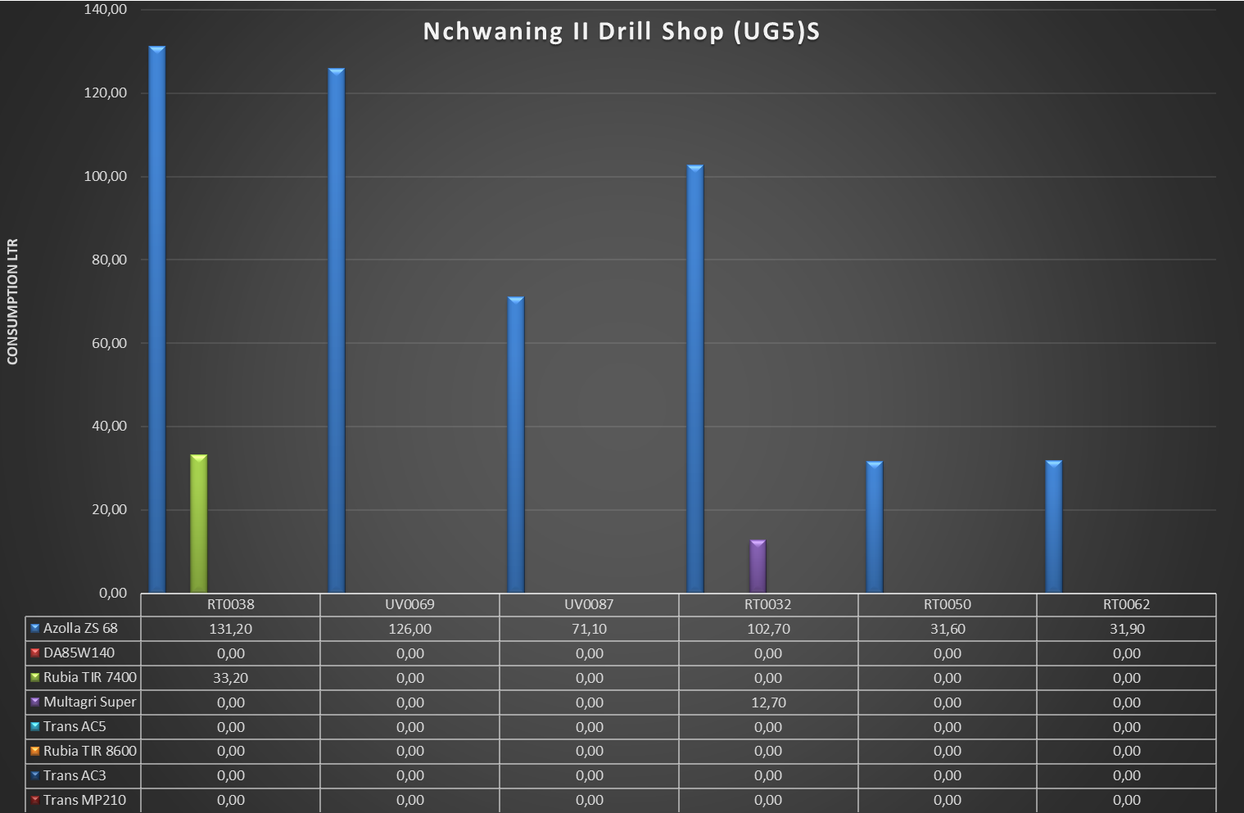
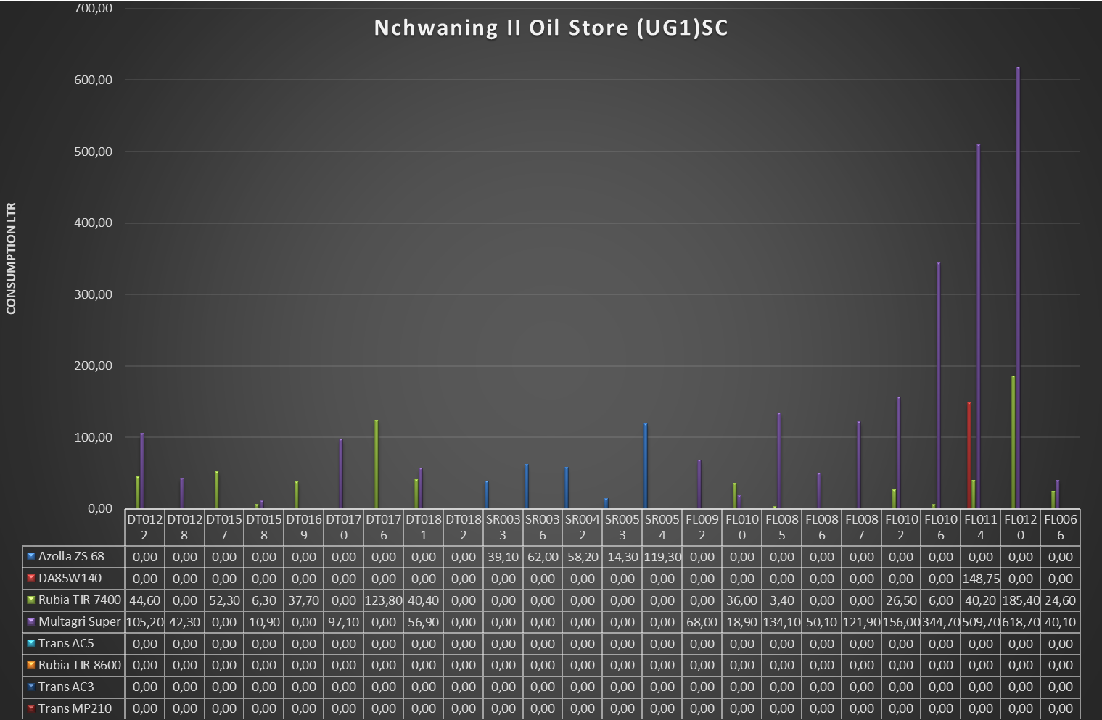
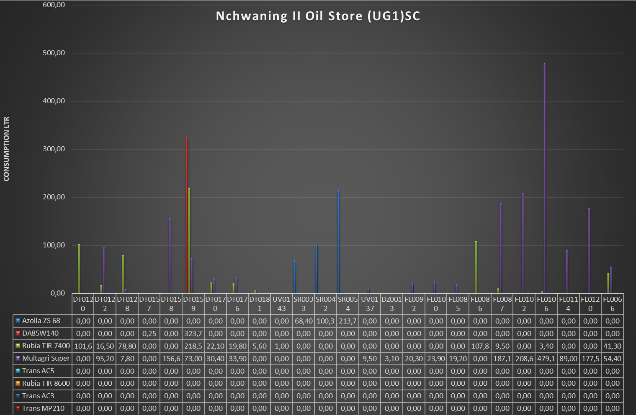
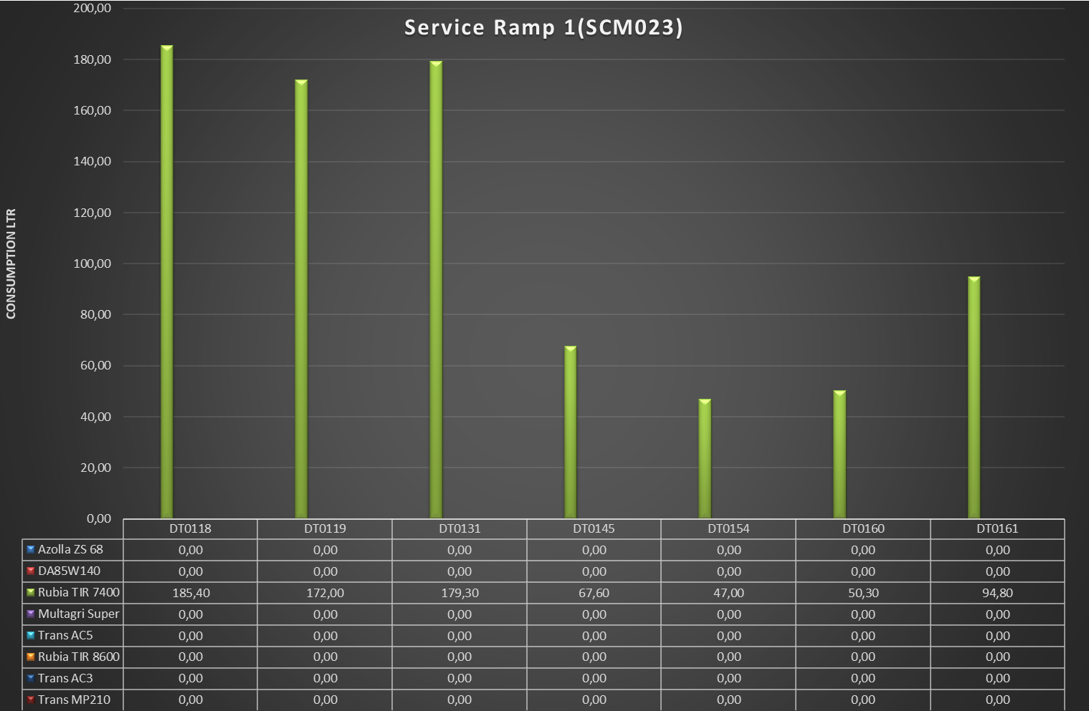
Nchwaning II Lub 315 (SCM007)
 | Azolla ZS 68 | DA85W140 | Rubia TIR 7400 | Multagri Super | Trans AC5 | Rubia TIR 8600 | Trans AC3 | Trans MP210
RT0038 | 0.1 | 0 | 0 | 0 | 0 | 0 | 0 | 0
HD0064 | 39.4 | 0 | 0 | 0 | 0 | 0 | 0 | 0
HD0065 | 116.8 | 0 | 0 | 0 | 0 | 0 | 0 | 0
RT0043 | 40.5 | 0 | 0 | 0 | 0 | 0 | 0 | 0
RT0050 | 252.2 | 0 | 0 | 0 | 0 | 0 | 0 | 0
RT0062 | 204.6 | 0 | 0 | 0 | 0 | 0 | 0 | 0

